Sheet1
CMBS Reporting - Due on 1st Business Day after Determination Dates (6th, 11th) - if determination date falls on a weekend or Holiday, use the next business day as determination date

Pull report from Strategy Portal:
Go into "Investor Reporting Package" widget
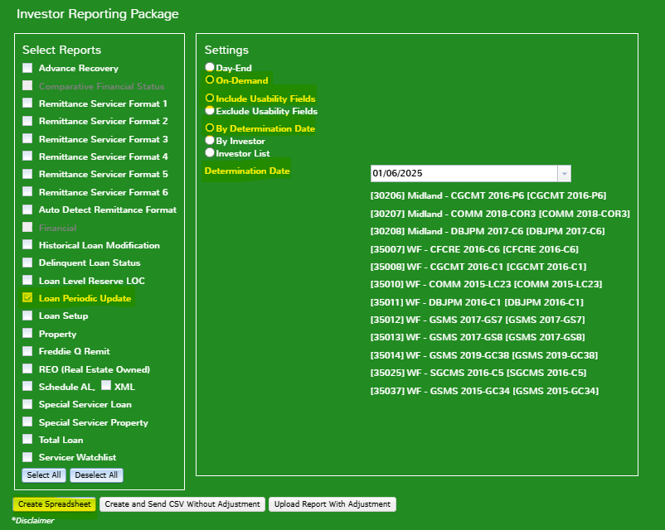

Day one Reporting
10-Ds

After you create the spreadsheet, sort and pair down the data to the fields you need for reporting. See example here: S:\Reporting\Lender Reporting\Wells Fargo\Z_Sample CMBS Reporting

Update each CREFC report (Financial - date of file only; Periodic; Property and Supplemental - all tabs) See Sample files for fields that need to be filled in.
Let Chelsea and LeAnn know when reports are complete

